Application Screen
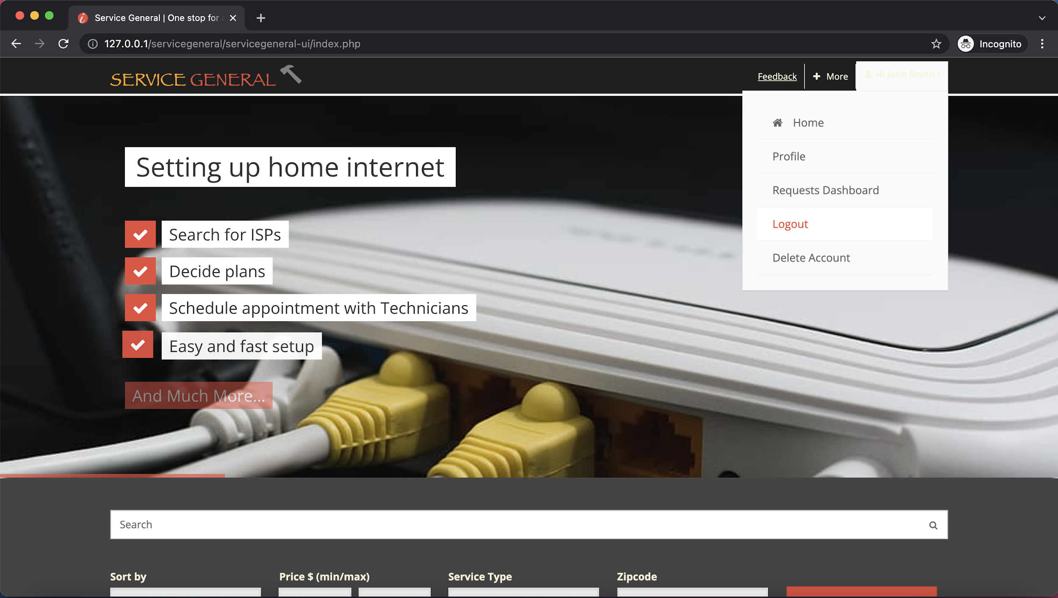

Test Case 3
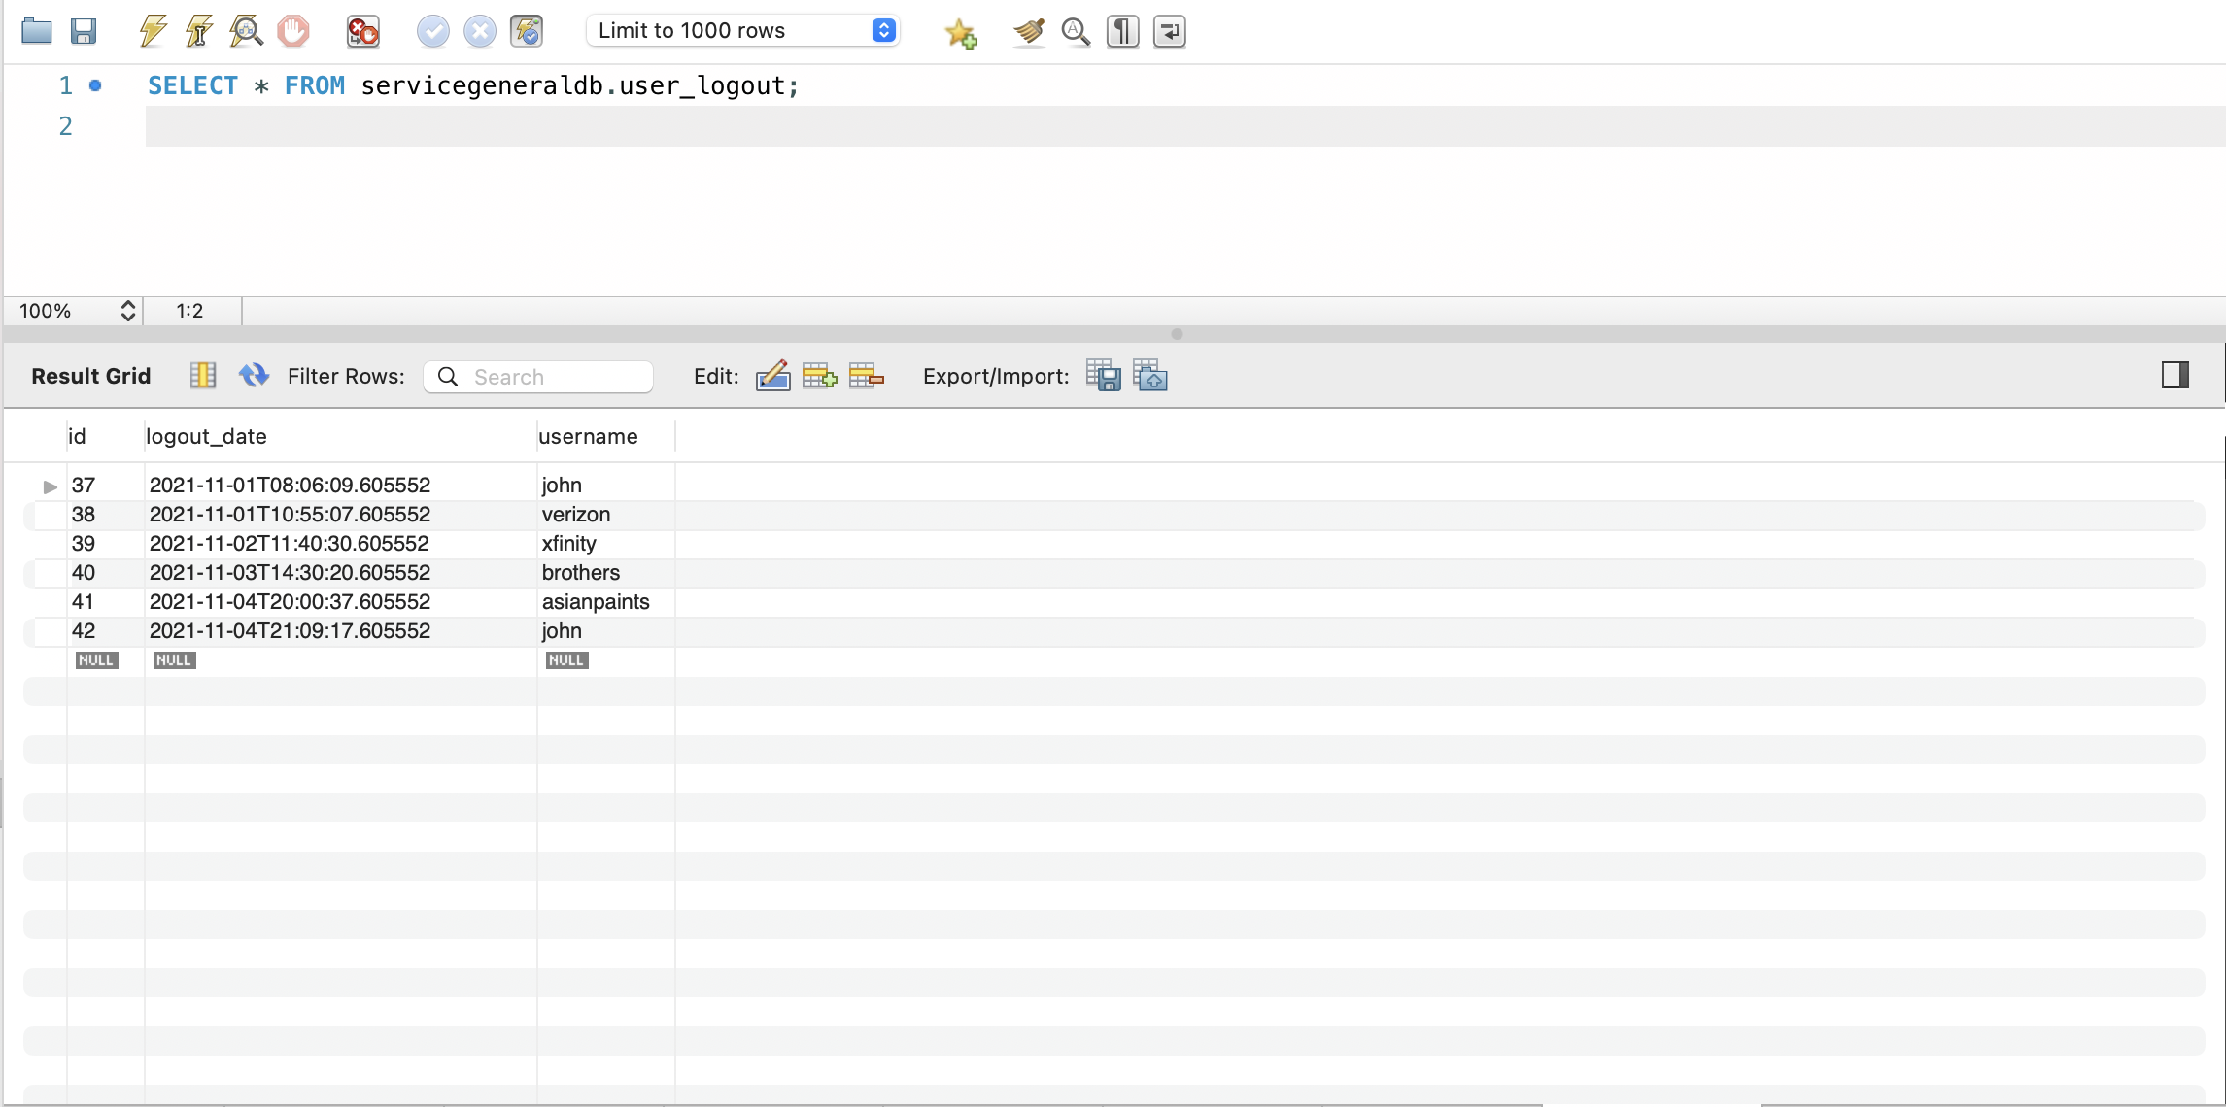
TC Title: | TC5. Account logout - Auditing (AU)

TC Objective: | Verify that logout activities successfully logged into the system and logout successfully is reflected in the Audit Log Table located in the database. Logout will be shown with id, logout_date and username

TC Description
 | Step | Step Description | Expected Results
 | 1 | Go to the Profile option and click on the logout option. | User should be able to logged out from the application successfully, check
 | 2 | Check the Audit log | Details of logout action for the account should be captured in Audit log. Audit Log table exist in the database to capture activity of users.

